a
WINDY GROUP
SAMPLE REQUISITION FORM

From |  | Md. Aminul |  |  |  |  |  | Image
Buyer |  | TESCO |  |  |  |  |  | 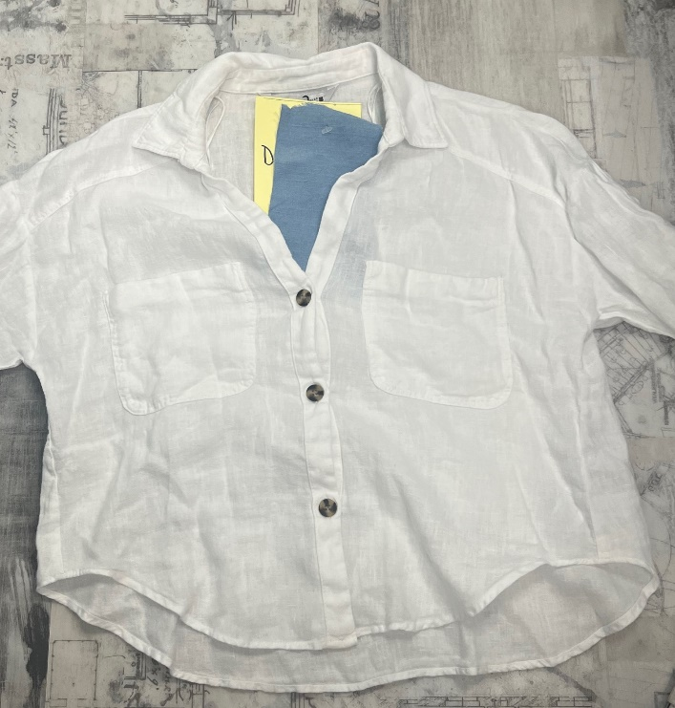
Style |  | Dragon Shirt
Item |  | Ladies Denim
Type of Sample |  | Development
Sample Requisition Date |  | 2022-10-13
Sample Required Date |  | 2022-10-13
Techpeck Issue Date
Comments Issue Date
Measure Chart
Ref. Sample Issue Date
Color |  | INDIGO
Size |  | 12
Quantity |  | 2
Type of Wash |  | Mid Wash
Part - 1 |  |  |  |  | Part - 2
Fabric & Trims | Issue Date | Yes / No | Remarks |  | Fabric & Trims |  | Issue Date | Yes / No | Remarks
Shell Fabric 1 |  |  | Nd-10571 (85 % Ctn,14% Poly,1%sp) |  | Care Label |  |  | N/a
Pocketing |  | n/a |  |  | Button |  |  | yes
Weist Contrast
Top Thread |  |  | Thread 20/3 |  | Buckle |  |  | N/a
Bbn Thread |  |  | Thread 20/2 |  | Rivet |  |  | N/a
Overlock Thread |  |  | Thread 40/2 |  | Adjst. Elastic |  |  | N/a
Bartack Thread |  |  | Thread 40/2 |  | Plain Elastic |  |  | N/a
Lining Thread |  | N/a |  |  | Twill Tape: |  |  | N/a
Zipper |  | N/a |  |  | Print |  |  | N/a
Contrast 1 |  | N/a |  |  | Embroidary |  |  | n/a
Contrast 2 |  | N/a |  |  | Leather Patch |  |  | N/a
Contrast 3 |  | N/a
Padding |  | N/a
Lining |  | N/a
Binding |  | N/a
Sherpa |  | N/a
Quilting |  | N/a
Interlining |  | Yes
Main Label |  | Yes | TESCO
Size Label |  | N/a
 |  |  |  | Fabric Swatch |  | Pocketing Swatch |  |  |  | Thread Swatch
Note: Sampling Target

* 07 Days for fit sample submission
* 10 Days for Size-set sample submission
* 07 Days for PP sample submission
Any comments must get by 07 days.

 |  |  |  |  |  |  |  |  |  |  | Sample Checked By

